version2
Whislist | dice type | Number of die |  | Remarks
 | Quantum Dice TPUFrameOnly | 2 |  | Frame parts of TPU, with bumper. Cups of PLA. Software version > V.2.0.0
 |  |  |  | For version 1.x.x the Blue top cup has an A and B indication

BOM
 | 3D prints | total | per Die | Reference
 | 01A_Blck_TPU_V*_top_frame | 2 | 1 | See 3D print folder. Order @ https://jlc3dp.com. Technique: Fused Deposition Modeling (FDM) material: TPU black
 | 01B_Blck_TPU_V*_bottom_frame | 2 | 1 | See 3D print folder
 | 01C_White_PLA_V*_print_support_plate | 4 | 2 | See 3D print folder
 | 02A_Yellow_TPU_V*_display_cup_power_USB-C | 2 | 1 | See 3D print folder
 | 02B_Yellow_PLA_V*_display_cup_ESP32 | 2 | 1 | See 3D print folder
 | 02C_Red_PLA_V*_display_cup_left_right | 4 | 2 | See 3D print folder
 | 02D_Blue_PLA_V*_display_cup_top_bottom | 4 | 2 | See 3D print folder
 | 03A_White_PLA_V*_display_mount | 8 | 4 | See 3D print folder
 | 03B_White_PLA_V*_display_mount_PCB | 2 | 1 | See 3D print folder
 | 03C_White_PLA_V*_battery_holder | 2 | 1 | See 3D print folder

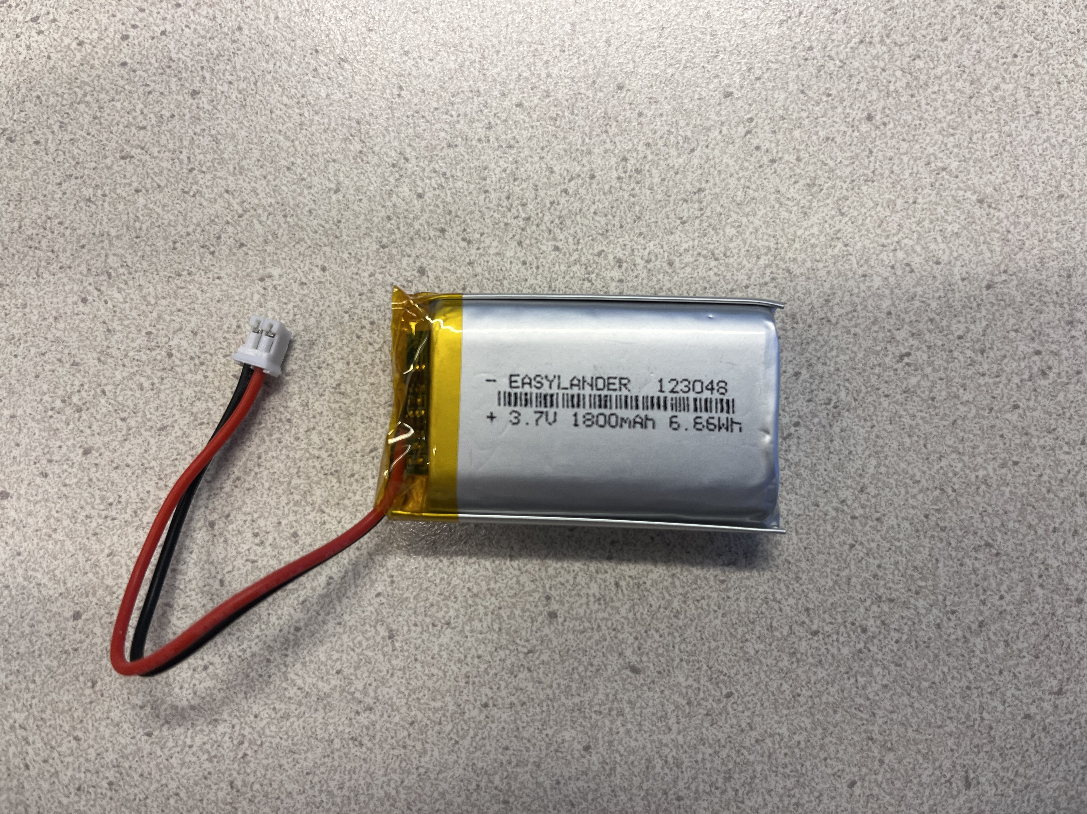
 | hardware
 | Allen cylinder head screw, M3x6 | 12 | 6 | https://www.fabory.com/nl/cilinderschroef-met-binnenzeskant-din-912-roestvaststaal-%28rvs%29-a2-m3x6/p/51050030006
 | Allen countersunk head screw, M3x6 | 48 | 24 | https://www.fabory.com/nl/verzonken-schroef-met-binnenzeskant-iso-10642-staal-blank-010-9-m3x6/p/07400030006
 | Threaded insert M3 | 24 | 12 | https://www.reichelt.de/de/de/shop/produkt/3d_druck_gewindeeinsaetze_m3x5_7_100_stueck-332213?nbc=1&trstct=pos_4
 | Standoffs M3x6 + 6mm | 6 | 3
 | Allen cylinder head screw, M3x16 | 8 | 4 | https://www.fabory.com/nl/cilinderschroef-met-binnenzeskant-din-912-staal-blank-12-9-m3x16/p/07000030016

 | electronics
 | 1.28 inch IPS Color TFT LCD Display Module 1.28" RGB LED Round Touch Screen GC9A01 Drive 4 Wire SPI Interface 240x240 PCB Board | 12 | 6 | https://nl.aliexpress.com/item/1005004786844308.html
 | ProcessorPCB ESP32 BNO055 | 2 | 1 | https://www.utwente.nl/nl/mesaplus/onderwijs-quantum-technologie/Quantum-dice
 | PowerPCB charger voltage control | 2 | 1 | https://www.utwente.nl/nl/mesaplus/onderwijs-quantum-technologie/Quantum-dice
 | Cable set | 2 | 1 | https://www.utwente.nl/nl/mesaplus/onderwijs-quantum-technologie/Quantum-dice
 | Lipo-batterij 3.7V, 1800mAh 20C1800mAh, model xx3048 | 2 | 1 | https://aliexpress.com/item/1005009325914720.html
 | USB-A to USB-C charger cable | 2 | 1 | https://www.conrad.nl/nl/p/renkforce-rf-4288947-usb-kabel-usb-2-0-usb-a-stekker-usb-c-stekker-1-00-m-zwart-vergulde-steekcontacten-1429649.html

 | cable set, containing: |  |  | Optional NOT NEEDED when a complete set is ordered @Utwnte
 | Tactile Pushbutton Switch Momentary 4pin 6*6*6mm | 2 | 1 | https://www.tinytronics.nl/en/switches/manual-switches/pcb-switches/tactile-pushbutton-switch-momentary-4pin-6*6*6mm
 | USB charge cable with USB-C Connector Type-C to PH 2.0 black | 2 | 1 | https://nl.aliexpress.com/item/1005004833284269.html
 | connector cable power - ESP32 - 4 wire JST-XH, double 100mm opposite connector | 2 | 1 | https://nl.aliexpress.com/item/1005006139148133.html
 | 8Pin 60mm AWM 20624 80°C 60V VW-1 0,5mm FFC Flexible Flat Cable (A-Type) | 2 | 1 | https://www.vanallesenmeer.nl/8Pin-60mm-AWM-20624-80°C-60V-VW-1-0,5mm-FFC-Flexible-Flat-Cable-(A-Type)
 | 8Pin 100mm AWM 20624 80°C 60V VW-1 0,5mm FFC Flexible Flat Cable (A-Type) | 8 | 4 | https://www.vanallesenmeer.nl/8Pin-100mm-AWM-20624-80°C-60V-VW-1-0,5mm-FFC-Flexible-Flat-Cable-(A-Type)
 | 8Pin 200mm AWM 20624 80°C 60V VW-1 0,5mm FFC Flexible Flat Cable (A-Type) | 2 | 1 | https://www.vanallesenmeer.nl/8Pin-200mm-AWM-20624-80°C-60V-VW-1-0,5mm-FFC-Flexible-Flat-Cable-(A-Type)
 |  |  |  | https://nl.aliexpress.com/item/1005004379893877.html
 | support material | 1
 | CA-glue (secondenlijm) e.g. LOCTITE 406 for plastics | 1
 | Activator spray

 | Estimated 3D print material masses (gram)
 | blue PLA | 55 | 28
 | red PLA | 58 | 29
 | yellow PLA | 66 | 33
 | TPU | 126 | 63

